Info
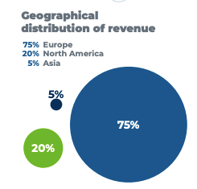
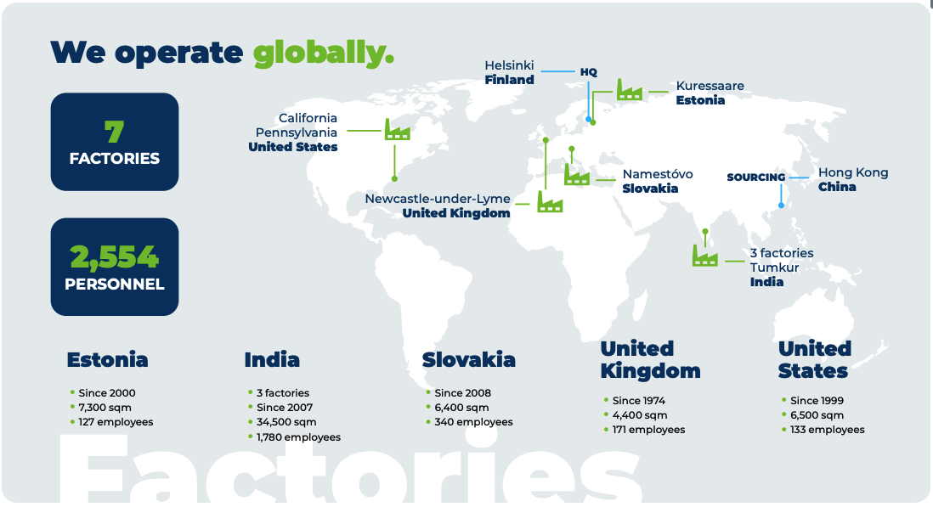

Guidance:
Revenue: | 210-230 EURm
EBIT: | 23-29 EURm

Press releases:
27.02.26: Ralf Hasler blir en del av Incaps managment team grunnet sin stilling som director of operations i Tyskland og Romania, Ralf var CEO av Lacon group som Incap kjøpte
04.12.25: Incap kjøper opp Lacon Group. Incap betaler 50 EURm og inneholder en earn-out for max 5 EURm som utbetales i 2027 basert på 2026 (10,5 EURm EBITDA), Oppkjøpet finansieres med 30 EURm i lån og 20 EURm i cash

